Sheet1
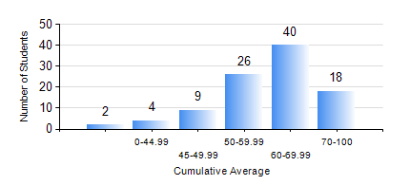
 |  |  | KWAME NKRUMAH UNIVERSITY OF SCIENCE AND TECHNOLOGY, KUMASI Department of Materials Engineering

 |  |  | BSC. MATERIALS ENG.

 |  |  | COMPREHENSIVE RECORD OF EXAMINATION RESULTS

 |  |  | RESULTS OF YEAR 1 FIRST SEMESTER, 2023/2024 ACADEMIC YEAR

 | Sn | Course Code |  | Course Name | Credit Hours | Min. Mark | Max. Mark | Avg. Mark | Std. Dev. | No. Passed | No. Trailed | No. (Df) | No. (I) | No. (I*) | No. Tagged(I,I*,Df) | Total
 | 0. |  |  |  |  |  |  | 0 | 0 | 0 | 0 | 0 | 0 | 0 | 0 | 2
 | 1. | EE 151 |  | APPLIED ELECTRICITY | 3 | 19 | 85 | 61 | 10.06 | 95 | 2 | 0 | 0 | 0 | 0 | 97
 | 2. | ENGL 157 |  | COMMUNICATION SKILLS I | 2 | 0 | 88 | 66 | 12.79 | 95 | 2 | 0 | 0 | 0 | 0 | 97
 | 3. | MATH 151 |  | ALGEBRA | 4 | 0 | 93 | 59 | 17.58 | 91 | 6 | 0 | 0 | 0 | 0 | 97
 | 4. | ME 159 |  | TECHNICAL DRAWING | 2 | 0 | 84 | 59 | 12.2 | 95 | 2 | 0 | 0 | 0 | 0 | 97
 | 5. | ME 195 |  | ENGINEERING TECHNOLOGY | 2 | 25 | 72 | 55 | 9.34 | 95 | 2 | 0 | 0 | 0 | 0 | 97
 | 6. | MSE 151 |  | INTRODUCTION TO THERMODYNAMICS | 2 | 0 | 91 | 57 | 13.21 | 94 | 3 | 0 | 0 | 0 | 0 | 97
 | 7. | MSE 153 |  | INTRODUCTION TO INFORMATION TECHNOLOGY | 2 | 0 | 86 | 70 | 14.02 | 95 | 2 | 0 | 0 | 0 | 0 | 97

